Data Readings 5.
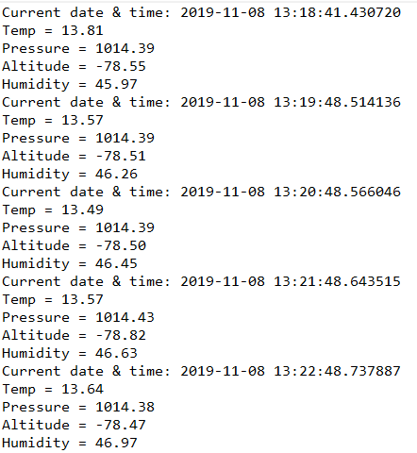
LOCATION 1 → Eden restaurant
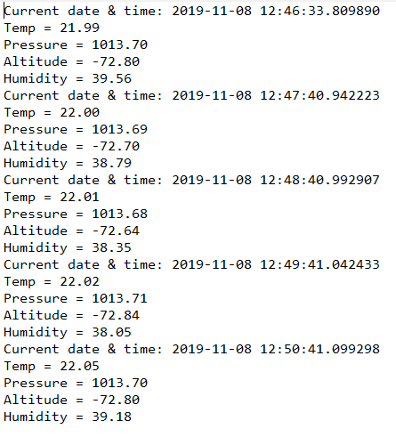

LOCATION 2 → C block 1st Floor
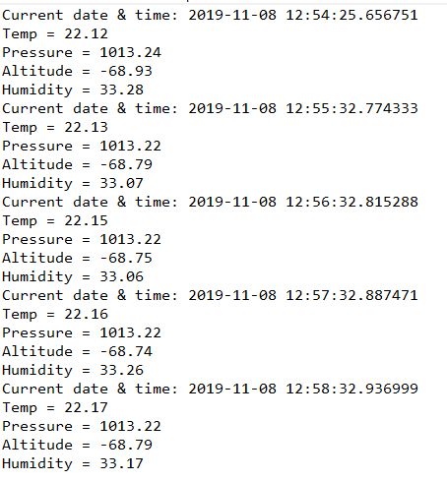

LOCATION 3 → Main Building Entrance
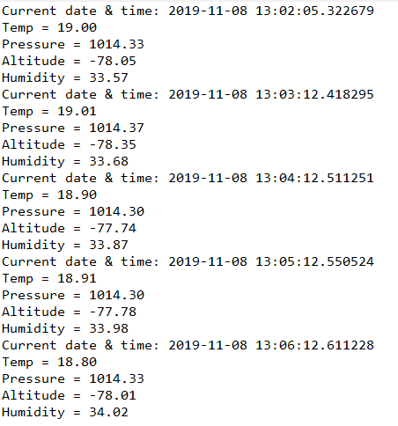

LOCATION 4 → Library
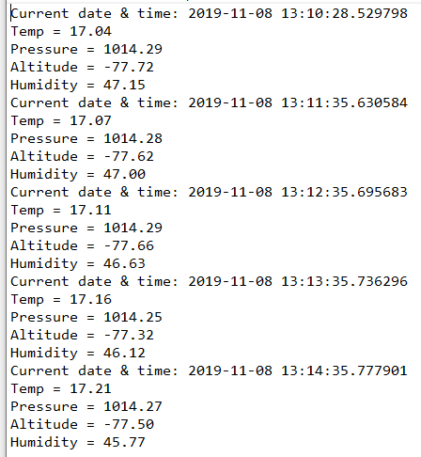

LOCATION 5 → The Great Outdoors

